Campus Enrol Disaggregation
College Control Total Enrollment by Campus
Enrollment Projections by Campus
School: | BYU | ENSIGN | SLCC | SLCC | SLCC | SLCC | UOFU |  |  |  |  | WSU | WSU | WESTMIN
% of School: | 100.0% | 100.0% | 52.8% | 18.5% | 4.6% | 16.4% | 97.4% |  |  |  |  | 75.2% | 19.8% | 100.0%
Year | BYU | ENSIGN | SLCC_MAIN | SLCC_JD | SLCC_ML | SLCC_SC | UOFU_Main | UVU_Main | UVU_Lehi | UVU_Payson | UVU_Vineyard | WSU_Main | WSU_Davis | WESTMIN | Total
1990 | 30450 | 0 | 7050 | 2450 | 600 | 2200 | 23650 | 7900 | 0 | 0 | 0 | 10100 | 2650 | 0 | 87,050
1991 | 31100 | 0 | 8450 | 2950 | 750 | 2600 | 24900 | 8800 | 0 | 0 | 0 | 10900 | 2850 | 0 | 93,300
1992 | 31100 | 0 | 9400 | 3300 | 800 | 2900 | 25200 | 9600 | 0 | 0 | 0 | 11250 | 2950 | 0 | 96,500
1993 | 30550 | 0 | 9650 | 3400 | 850 | 3000 | 25300 | 10500 | 0 | 0 | 0 | 10850 | 2850 | 0 | 96,950
1994 | 30400 | 0 | 10250 | 3600 | 900 | 3200 | 24950 | 13300 | 0 | 0 | 0 | 10700 | 2800 | 0 | 100,100
1995 | 30450 | 0 | 11000 | 3850 | 950 | 3400 | 26100 | 14050 | 0 | 0 | 0 | 10500 | 2750 | 0 | 103,050
1996 | 30550 | 0 | 11800 | 4150 | 1050 | 3650 | 25400 | 14750 | 0 | 0 | 0 | 10450 | 2750 | 0 | 104,550
1997 | 31250 | 0 | 12850 | 4500 | 1100 | 4000 | 25200 | 16000 | 0 | 0 | 0 | 11000 | 2900 | 0 | 108,800
1998 | 32200 | 0 | 10450 | 3650 | 900 | 3250 | 24350 | 18150 | 0 | 0 | 0 | 10450 | 2750 | 0 | 106,150
1999 | 32750 | 0 | 11250 | 3950 | 1000 | 3500 | 25100 | 20050 | 0 | 0 | 0 | 11250 | 2950 | 0 | 111,800
2000 | 32550 | 0 | 11650 | 4100 | 1000 | 3600 | 25450 | 20950 | 0 | 0 | 0 | 12050 | 3150 | 0 | 114,500
2001 | 32750 | 0 | 12800 | 4450 | 1100 | 3950 | 26950 | 22600 | 0 | 0 | 0 | 12700 | 3350 | 0 | 120,650
2002 | 32400 | 0 | 12600 | 4400 | 1100 | 3900 | 27600 | 23600 | 0 | 0 | 0 | 13600 | 3550 | 0 | 122,750
2003 | 33000 | 1300 | 12750 | 4450 | 1100 | 3950 | 27700 | 23800 | 0 | 0 | 0 | 14150 | 3700 | 0 | 125,900
2004 | 33450 | 1400 | 13550 | 4750 | 1200 | 4200 | 28150 | 24150 | 0 | 0 | 0 | 13900 | 3650 | 0 | 128,400
2005 | 32900 | 1500 | 13500 | 4700 | 1200 | 4200 | 28250 | 24500 | 0 | 0 | 0 | 13650 | 3600 | 0 | 128,000
2006 | 32700 | 1600 | 13250 | 4650 | 1150 | 4100 | 27850 | 23300 | 0 | 0 | 0 | 13750 | 3600 | 2500 | 128,450
2007 | 32950 | 1700 | 13250 | 4650 | 1150 | 4100 | 27300 | 23850 | 0 | 0 | 0 | 13600 | 3550 | 2650 | 128,750
2008 | 33000 | 1800 | 15750 | 5500 | 1350 | 4900 | 27450 | 27050 | 0 | 0 | 0 | 16100 | 4250 | 2850 | 140,000
2009 | 32950 | 1900 | 21050 | 7350 | 1850 | 6550 | 29300 | 29050 | 0 | 0 | 0 | 17900 | 4700 | 3050 | 155,650
2010 | 32950 | 2000 | 20200 | 7050 | 1750 | 6250 | 30800 | 31750 | 0 | 0 | 0 | 18400 | 4850 | 3150 | 159,150
2011 | 33000 | 2100 | 19400 | 6800 | 1700 | 6000 | 31850 | 32750 | 0 | 0 | 0 | 19750 | 5200 | 3350 | 161,900
2012 | 34400 | 2200 | 18900 | 6600 | 1650 | 5850 | 32400 | 31800 | 0 | 0 | 0 | 20600 | 5400 | 3300 | 163,100
2013 | 31100 | 2200 | 18500 | 6450 | 1600 | 5750 | 35250 | 30900 | 0 | 0 | 0 | 19450 | 5100 | 3100 | 159,400
2014 | 30500 | 2150 | 17650 | 6200 | 1550 | 5500 | 31150 | 31600 | 0 | 0 | 0 | 20250 | 5300 | 3000 | 154,850
Total College Enrollment
2015 | 33450 | 2150 | 16450 | 5750 | 1450 | 5100 | 31300 | 33550 | 0 | 0 | 0 | 19750 | 5200 | 2800 | 156,950
2016 | 34250 | 2100 | 16950 | 5950 | 1500 | 5250 | 31600 | 35150 | 0 | 0 | 0 | 20500 | 5400 | 2700 | 161,350
2017 | 34350 | 2050 | 17050 | 5950 | 1500 | 5300 | 32300 | 37800 | 0 | 0 | 0 | 21350 | 5600 | 2550 | 165,800
2018 | 34500 | 2000 | 15400 | 5400 | 1350 | 4750 | 32150 | 39950 | 0 | 0 | 0 | 21250 | 5600 | 2500 | 164,850
2019 | 34300 | 1950 | 15600 | 5450 | 1350 | 4850 | 32000 | 40300 | 1300 | 0 | 0 | 22300 | 5850 | 2200 | 167,450
2020 | 36450 | 2000 | 14400 | 5050 | 1250 | 4450 | 32200 | 39450 | 1350 | 0 | 0 | 22250 | 5850 | 1850 | 166,550
2021 | 35600 | 2000 | 14350 | 5050 | 1250 | 4450 | 33550 | 39700 | 1400 | 0 | 0 | 22400 | 5900 | 1550 | 167,200
2022 | 34750 | 2000 | 13900 | 4850 | 1200 | 4300 | 33800 | 41500 | 1450 | 0 | 0 | 22500 | 5900 | 2500 | 168,650
2023 | 36400 | 2000 | 17150 | 6000 | 1500 | 5300 | 35100 | 43100 | 1450 | 0 | 0 | 23650 | 6200 | 2500 | 180,350
2024 | 36900 | 2000 | 17200 | 6000 | 1500 | 5350 | 35600 | 44700 | 1500 | 0 | 0 | 23900 | 6300 | 2500 | 183,450
2025 | 37500 | 2000 | 17200 | 6000 | 1500 | 5350 | 35900 | 46400 | 1550 | 0 | 0 | 24100 | 6350 | 2500 | 186,350
2026 | 37500 | 2000 | 17150 | 6000 | 1500 | 5300 | 36100 | 47150 | 1600 | 0 | 550 | 24350 | 6400 | 2500 | 188,100
2027 | 37550 | 2000 | 17100 | 6000 | 1500 | 5300 | 36300 | 48100 | 1650 | 0 | 750 | 24600 | 6450 | 2500 | 189,800
2028 | 37600 | 2000 | 17000 | 5950 | 1500 | 5300 | 36350 | 48850 | 1700 | 0 | 900 | 24850 | 6550 | 2500 | 191,050
2029 | 37650 | 2000 | 17200 | 6000 | 1500 | 5350 | 36600 | 48850 | 1700 | 650 | 1050 | 25200 | 6650 | 2500 | 192,900
Total College Enrollment
2030 | 37650 | 2000 | 17400 | 6100 | 1500 | 5400 | 36850 | 49750 | 1750 | 750 | 1200 | 25550 | 6700 | 2500 | 195,100
2031 | 37700 | 2000 | 17550 | 6150 | 1550 | 5450 | 37100 | 50650 | 1800 | 850 | 1350 | 25900 | 6800 | 2500 | 197,350
2032 | 37750 | 2000 | 17750 | 6200 | 1550 | 5500 | 37350 | 51600 | 1850 | 1000 | 1500 | 26250 | 6900 | 2500 | 199,700
2033 | 37750 | 2000 | 17950 | 6300 | 1550 | 5550 | 37600 | 52500 | 1900 | 1100 | 1650 | 26550 | 7000 | 2550 | 201,950
2034 | 37800 | 2000 | 18150 | 6350 | 1600 | 5600 | 37850 | 53400 | 1950 | 1200 | 1800 | 26900 | 7050 | 2550 | 204,200
2035 | 37850 | 2000 | 18300 | 6400 | 1600 | 5700 | 38100 | 54300 | 1950 | 1300 | 1950 | 27250 | 7150 | 2600 | 206,450
2036 | 37900 | 2000 | 18500 | 6450 | 1600 | 5750 | 38350 | 55250 | 2000 | 1450 | 2100 | 27600 | 7250 | 2600 | 208,800
2037 | 37900 | 2000 | 18700 | 6550 | 1650 | 5800 | 38600 | 56150 | 2050 | 1550 | 2250 | 27900 | 7350 | 2650 | 211,100
2038 | 37950 | 2000 | 18900 | 6600 | 1650 | 5850 | 38850 | 57050 | 2100 | 1650 | 2400 | 28250 | 7450 | 2650 | 213,350
2039 | 38000 | 2000 | 19050 | 6650 | 1650 | 5900 | 39100 | 57950 | 2150 | 1750 | 2600 | 28600 | 7500 | 2700 | 215,600
2040 | 38050 | 2000 | 19250 | 6750 | 1700 | 5950 | 39350 | 58850 | 2200 | 1900 | 2750 | 28950 | 7600 | 2700 | 218,000
2041 | 38050 | 2000 | 19450 | 6800 | 1700 | 6050 | 39600 | 59800 | 2200 | 2000 | 2900 | 29300 | 7700 | 2750 | 220,300
2042 | 38100 | 2000 | 19600 | 6850 | 1700 | 6100 | 39850 | 60700 | 2250 | 2100 | 3050 | 29600 | 7800 | 2800 | 222,500
2043 | 38150 | 2000 | 19800 | 6950 | 1750 | 6150 | 40100 | 61600 | 2300 | 2200 | 3200 | 29950 | 7900 | 2800 | 224,850
2044 | 38500 | 2000 | 20000 | 7000 | 1750 | 6200 | 40350 | 62500 | 2350 | 2350 | 3350 | 30300 | 7950 | 2850 | 227,450
2045 | 38900 | 2000 | 20200 | 7050 | 1750 | 6250 | 40600 | 63450 | 2400 | 2450 | 3500 | 30650 | 8050 | 2850 | 230,100
2046 | 39300 | 2000 | 20350 | 7150 | 1800 | 6300 | 40850 | 64350 | 2450 | 2550 | 3650 | 31000 | 8150 | 2900 | 232,800
2047 | 39300 | 2000 | 20550 | 7200 | 1800 | 6400 | 41100 | 65250 | 2450 | 2650 | 3800 | 31300 | 8250 | 2900 | 234,950
2048 | 39300 | 2000 | 20750 | 7250 | 1800 | 6450 | 41350 | 66150 | 2500 | 2800 | 3950 | 31650 | 8300 | 2950 | 237,200
2049 | 39300 | 2000 | 20950 | 7300 | 1800 | 6500 | 41600 | 67050 | 2550 | 2900 | 4100 | 32000 | 8400 | 2950 | 239,400
2050 | 39300 | 2000 | 21100 | 7400 | 1850 | 6550 | 41850 | 68000 | 2600 | 3000 | 4300 | 32350 | 8500 | 3000 | 241,800

College Enrollment Projections
UOFU Enrollment | UVU Enrollment | BYU Enrollment | WESTMIN Enrollment |  |  | Year | UOFU | WSU | UVU | SLCC | BYU | ENSIGN | WESTMIN
 |  |  |  |  |  | 1990 | 24,311 | 13,449 | 7,885 | 13,344 | 30,465
 |  |  |  |  |  | 1991 | 25,581 | 14,495 | 8,777 | 15,972 | 31,101
 |  |  |  |  |  | 1992 | 25,868 | 14,993 | 9,623 | 17,766 | 31,108
 |  |  |  |  |  | 1993 | 25,982 | 14,447 | 10,512 | 18,311 | 30,547
 |  |  |  |  |  | 1994 | 25,645 | 14,230 | 13,293 | 19,440 | 30,413
 |  |  |  |  |  | 1995 | 26,810 | 13,996 | 14,040 | 20,834 | 30,465
 |  |  |  |  |  | 1996 | 26,079 | 13,906 | 14,756 | 22,394 | 30,563
 |  |  |  |  |  | 1997 | 25,895 | 14,613 | 15,994 | 24,307 | 31,249
 |  |  |  |  |  | 1998 | 25,018 | 13,900 | 18,174 | 19,754 | 32,202
 |  |  |  |  |  | 1999 | 25,781 | 14,984 | 20,062 | 21,273 | 32,731
 |  |  |  |  |  | 2000 | 26,163 | 16,050 | 20,946 | 22,109 | 32,554
 |  |  |  |  |  | 2001 | 27,658 | 16,871 | 22,609 | 24,215 | 32,771
 |  |  |  |  |  | 2002 | 28,369 | 18,059 | 23,609 | 23,825 | 32,408
 |  |  |  |  |  | 2003 | 28,437 | 18,821 | 23,803 | 24,153 | 33,008 | 1,275
 |  |  |  |  |  | 2004 | 28,933 | 18,498 | 24,149 | 25,711 | 33,427 | 1,378
WSU Enrollment | SLCC Enrollment | ENSIGN Enrollment |  |  |  | 2005 | 29,012 | 18,142 | 24,487 | 25,551 | 32,920 | 1,481
 | Historic |  | 10 Years |  | 2019 RTP Target |  | 2024 RTP
1990 |  | 2010 | 1,994 | 2050 | 6,300 | 2020 | 2,000
1991 |  | 2011 | 2,097 |  |  | 2021 | 2,000
1992 |  | 2012 | 2,200 |  |  | 2022 | 2,000
1993 |  | 2013 | 2,180 |  |  | 2023 | 2,000
1994 |  | 2014 | 2,160 |  |  | 2024 | 2,000
1995 |  | 2015 | 2,139 |  |  | 2025 | 2,000
1996 |  | 2016 | 2,119 |  |  | 2026 | 2,000
1997 |  | 2017 | 2,045 |  |  | 2027 | 2,000
1998 |  | 2018 | 1,996 |  |  | 2028 | 2,000
1999 |  | 2019 | 1,929 |  |  | 2029 | 2,000
2000 |  |  |  |  |  | 2030 | 2,000
2001 |  |  |  |  |  | 2031 | 2,000
2002 |  |  |  |  |  | 2032 | 2,000
2003 | 1,275 |  |  |  |  | 2033 | 2,000
2004 | 1,378 |  |  |  |  | 2034 | 2,000
2005 | 1,481 |  |  |  |  | 2035 | 2,000
2006 | 1,583 |  |  |  |  | 2036 | 2,000
2007 | 1,686 |  |  |  |  | 2037 | 2,000
2008 | 1,789 |  |  |  |  | 2038 | 2,000
2009 | 1,892 |  |  |  |  | 2039 | 2,000
2010 | 1,994 |  |  |  |  | 2040 | 2,000
2011 | 2,097 |  |  |  |  | 2041 | 2,000
2012 | 2,200 |  |  |  |  | 2042 | 2,000
2013 | 2,180 |  |  |  |  | 2043 | 2,000
2014 | 2,160 |  |  |  |  | 2044 | 2,000
2015 | 2,139 |  |  |  |  | 2045 | 2,000
2016 | 2,119 |  |  |  |  | 2046 | 2,000
2017 | 2,045 |  |  |  |  | 2047 | 2,000
2018 | 1,996 |  |  |  |  | 2048 | 2,000
2019 | 1,929 |  |  |  |  | 2049 | 2,000
 |  |  |  |  |  | 2050 | 2,000
 |  |  |  |  |  | 2006 | 28,619 | 18,303 | 23,305 | 25,129 | 32,679 | 1,583 | 2,479
 |  |  |  |  |  | 2007 | 28,025 | 18,081 | 23,840 | 25,144 | 32,964 | 1,686 | 2,661
 |  |  |  |  |  | 2008 | 28,211 | 21,388 | 27,052 | 29,867 | 32,992 | 1,789 | 2,859
 |  |  |  |  |  | 2009 | 30,110 | 23,777 | 29,045 | 39,903 | 32,955 | 1,892 | 3,037
 |  |  |  |  |  | 2010 | 31,643 | 24,496 | 31,739 | 38,288 | 32,947 | 1,994 | 3,163
 |  |  |  |  |  | 2011 | 32,722 | 26,256 | 32,734 | 36,782 | 32,980 | 2,097 | 3,358
 |  |  |  |  |  | 2012 | 33,291 | 27,381 | 31,810 | 35,804 | 34,409 | 2,200 | 3,301
 |  |  |  |  |  | 2013 | 36,226 | 25,886 | 30,880 | 35,043 | 31,123 | 2,180 | 3,108
 |  |  |  |  |  | 2014 | 32,003 | 26,913 | 31,589 | 33,451 | 30,484 | 2,160 | 2,991
 |  |  |  |  |  | 2015 | 32,155 | 26,252 | 33,565 | 31,131 | 33,469 | 2,139 | 2,821
 |  |  |  |  |  | 2016 | 32,451 | 27,236 | 35,126 | 32,133 | 34,240 | 2,119 | 2,692
 |  |  |  |  |  | 2017 | 33,153 | 28,379 | 37,785 | 32,277 | 34,334 | 2,045 | 2,570
 |  |  |  |  |  | 2018 | 33,023 | 28,247 | 39,931 | 29,156 | 34,499 | 1,996 | 2,477
 |  |  |  |  |  | 2019 | 32,852 | 29,644 | 41,728 | 29,517 | 34,318 | 1,929 | 2,215
 |  |  |  |  |  | 2020 | 33,080 | 29,596 | 40,936 | 27,293 | 36,461 | 2,000 | 1,850
 |  |  |  |  |  | 2021 | 34,462 | 29,774 | 41,262 | 27,225 | 35,615 | 2,000 | 1,535
 |  |  |  |  |  | 2022 | 34,734 | 29,914 | 43,099 | 26,348 | 34,737 | 2,000 | 2,500
 |  |  |  |  |  | 2023 | 36,050 | 31,443 | 44,749 | 32,462 | 36,377 | 2,000 | 2,500
 |  |  |  |  |  | 2024 | 36,571 | 31,784 | 46,412 | 32,552 | 36,921 | 2,000 | 2,500
 |  |  |  |  |  | 2025 | 36,873 | 32,055 | 48,161 | 32,557 | 37,477 | 2,000 | 2,500
 |  |  |  |  |  | 2026 | 37,086 | 32,380 | 49,562 | 32,490 | 37,514 | 2,000 | 2,500
 |  |  |  |  |  | 2027 | 37,266 | 32,709 | 50,678 | 32,395 | 37,551 | 2,000 | 2,500
 |  |  |  |  |  | 2028 | 37,324 | 33,073 | 51,665 | 32,219 | 37,588 | 2,000 | 2,500
 |  |  |  |  |  | 2029 | 37,582 | 33,524 | 52,522 | 32,573 | 37,625 | 2,000 | 2,500
 |  |  |  |  |  | 2030 | 37,840 | 33,975 | 53,756 | 32,926 | 37,662 | 2,000 | 2,500
 |  |  |  |  |  | 2031 | 38,098 | 34,427 | 54,990 | 33,280 | 37,699 | 2,000 | 2,500
 |  |  |  |  |  | 2032 | 38,356 | 34,878 | 56,223 | 33,634 | 37,736 | 2,000 | 2,500
 |  |  |  |  |  | 2033 | 38,614 | 35,329 | 57,457 | 33,987 | 37,773 | 2,000 | 2,528
 |  |  |  |  |  | 2034 | 38,872 | 35,780 | 58,691 | 34,341 | 37,810 | 2,000 | 2,556
 |  |  |  |  |  | 2035 | 39,130 | 36,232 | 59,925 | 34,695 | 37,847 | 2,000 | 2,583
 |  |  |  |  |  | 2036 | 39,388 | 36,683 | 61,158 | 35,048 | 37,884 | 2,000 | 2,611
 |  |  |  |  |  | 2037 | 39,646 | 37,134 | 62,392 | 35,402 | 37,921 | 2,000 | 2,639
 |  |  |  |  |  | 2038 | 39,904 | 37,585 | 63,626 | 35,756 | 37,958 | 2,000 | 2,667
 |  |  |  |  |  | 2039 | 40,162 | 38,037 | 64,860 | 36,110 | 37,995 | 2,000 | 2,694
 |  |  |  |  |  | 2040 | 40,420 | 38,488 | 66,093 | 36,463 | 38,032 | 2,000 | 2,722
 |  |  |  |  |  | 2041 | 40,678 | 38,939 | 67,327 | 36,817 | 38,069 | 2,000 | 2,750
 |  |  |  |  |  | 2042 | 40,936 | 39,390 | 68,561 | 37,171 | 38,106 | 2,000 | 2,778
 |  |  |  |  |  | 2043 | 41,194 | 39,841 | 69,795 | 37,524 | 38,143 | 2,000 | 2,806
 |  |  |  |  |  | 2044 | 41,452 | 40,293 | 71,028 | 37,878 | 38,524 | 2,000 | 2,833
 |  |  |  |  |  | 2045 | 41,710 | 40,744 | 72,262 | 38,232 | 38,910 | 2,000 | 2,861
 |  |  |  |  |  | 2046 | 41,968 | 41,195 | 73,496 | 38,585 | 39,299 | 2,000 | 2,889
 |  |  |  |  |  | 2047 | 42,226 | 41,646 | 74,730 | 38,939 | 39,303 | 2,000 | 2,917
 |  |  |  |  |  | 2048 | 42,484 | 42,098 | 75,963 | 39,293 | 39,307 | 2,000 | 2,944
 |  |  |  |  |  | 2049 | 42,742 | 42,549 | 77,197 | 39,646 | 39,311 | 2,000 | 2,972
 |  |  |  | 2024 RTP | TARGET | 2050 | 43,000 | 43,000 | 78,431 | 40,000 | 39,315 | 2,000 | 3,000
 |  |  |  | 2019 RTP | TARGET | 2050 | 42,000 | 43,000 | 67,000 | 65,400 | 34,000 | 6,300 | 3,500
 |  |  |  |  |  | Year | UOFU | WSU | UVU | SLCC | BYU | ENSIGN | WESTMIN

USHE Projections
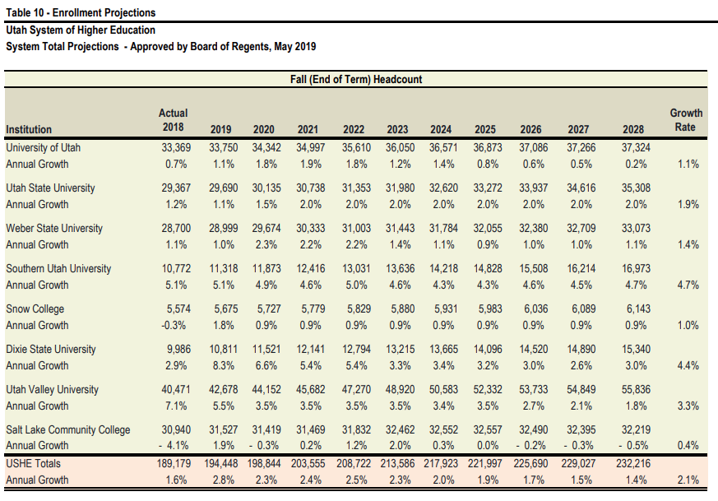
Year | UOFU | WSU | UVU | SLCC | USHE 2020 Data Book | https://ushe.edu/data/ | https://ushe.edu/wp-content/uploads/pdf/databook/2020/2020_full_databook.pdf
2019 | 33,750 | 28,999 | 42,678 | 31,527
2020 | 34,342 | 29,674 | 44,152 | 31,419
2021 | 34,997 | 30,333 | 45,682 | 31,469
2022 | 35,610 | 31,003 | 47,270 | 31,832
2023 | 36,050 | 31,443 | 48,920 | 32,462
2024 | 36,571 | 31,784 | 50,583 | 32,552
2025 | 36,873 | 32,055 | 52,332 | 32,557
2026 | 37,086 | 32,380 | 53,733 | 32,490
2027 | 37,266 | 32,709 | 54,849 | 32,395
2028 | 37,324 | 33,073 | 55,836 | 32,219

2025-12-15
*USHE not currently releasing updates forecasts

Westminster
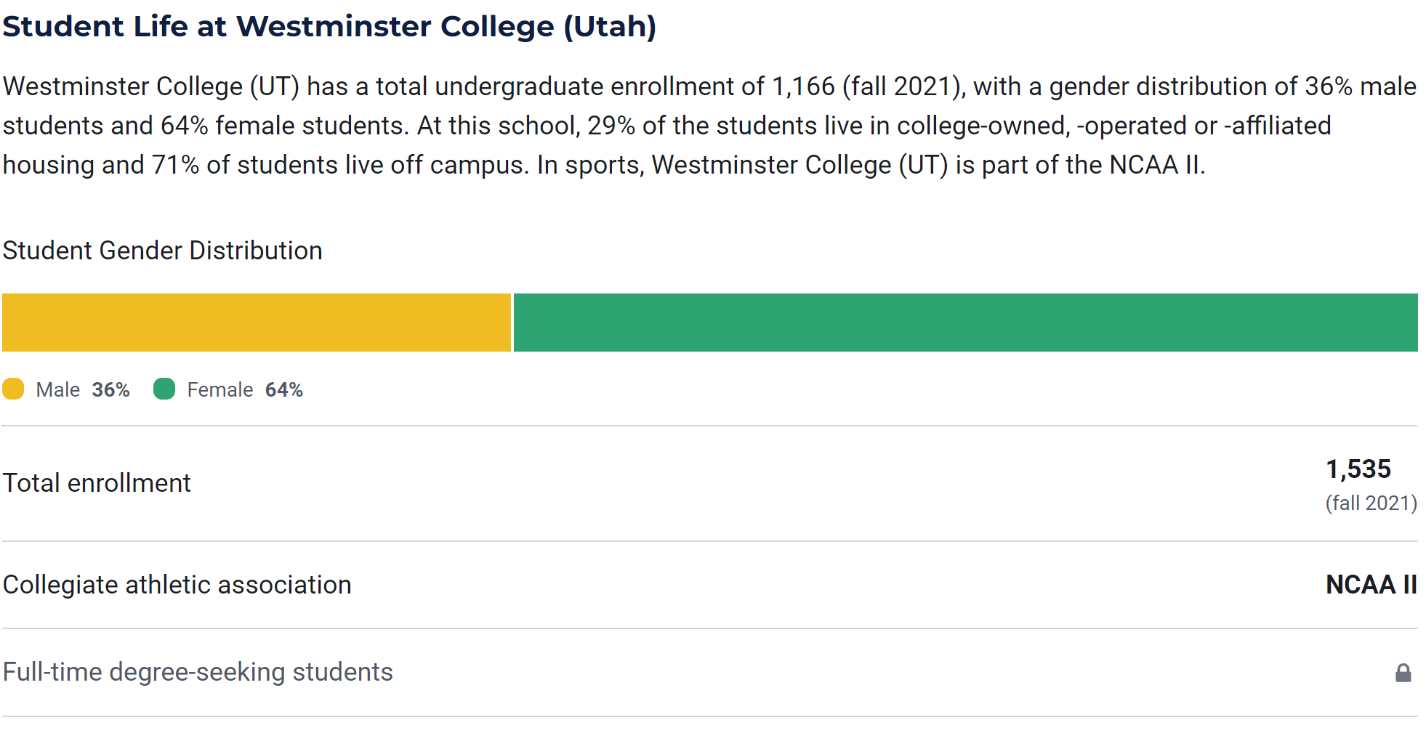
Year | FT | PT | Total
2006 | 1949 | 530 | 2479 | https://westminstercollege.edu/about/institutional-research/common-data-set.html
2007 | 2107 | 554 | 2661 |  | https://westminstercollege.edu/about/ | 14-Feb-25
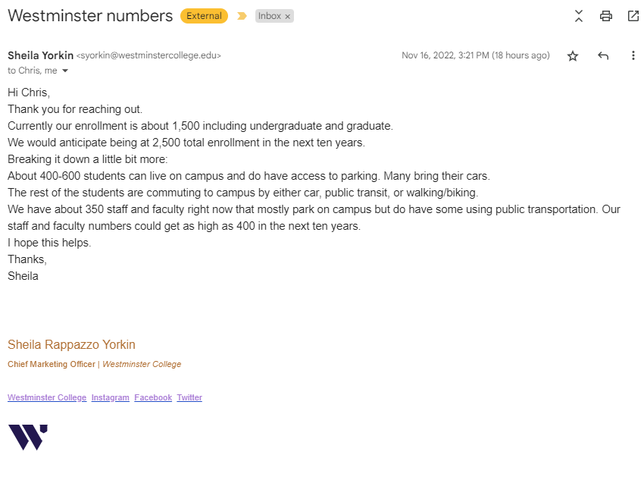
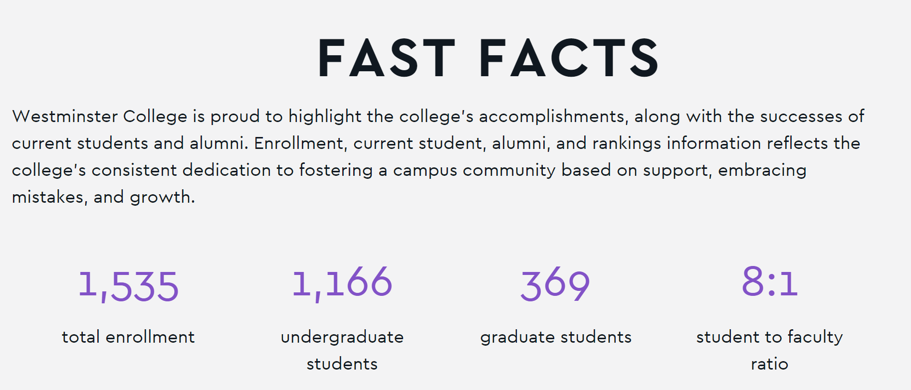
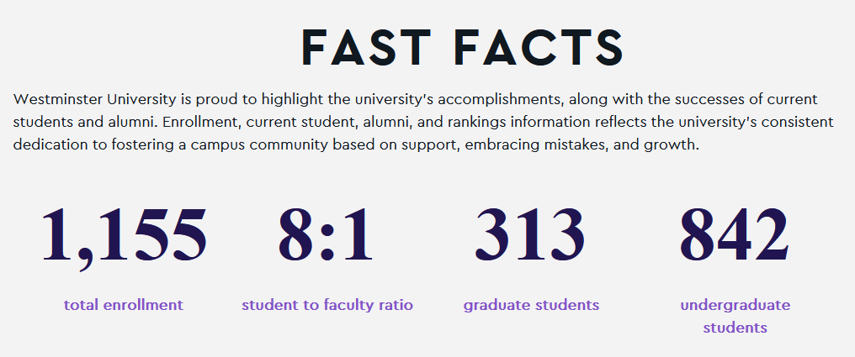
2008 | 2296 | 563 | 2859
2009 | 2451 | 586 | 3037
2010 | 2614 | 549 | 3163
2011 | 2728 | 630 | 3358
2012 | 2691 | 610 | 3301
2013 | 2680 | 428 | 3108
2014 | 2577 | 414 | 2991
2015 | 2465 | 356 | 2821
2016 | 2365 | 327 | 2692
2017 | 2237 | 333 | 2570
2018 | 2199 | 278 | 2477
2019 | 1964 | 251 | 2215
2020 | 1647 | 203 | 1850
2021 | 1278 | 257 | 1535
2022 | 1045 | 242 | 1287
2023 | 1109 | 105 | 1214
2024 | 1050 | 105 | 1155

Ensign
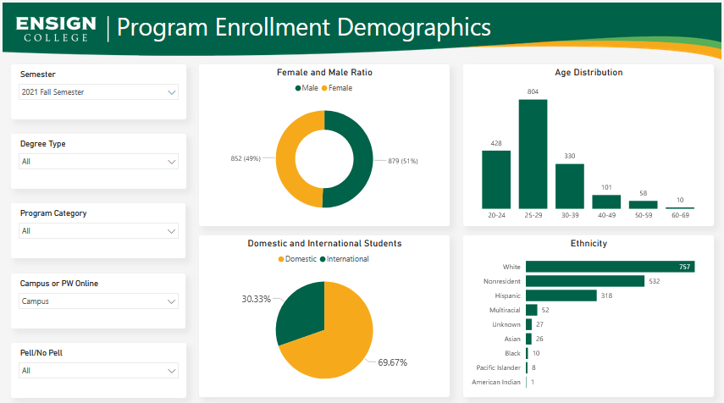
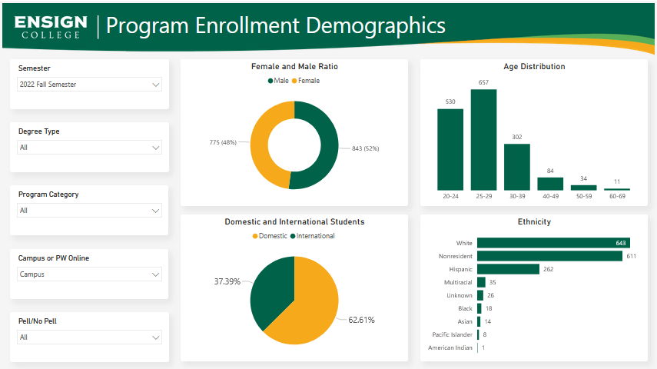
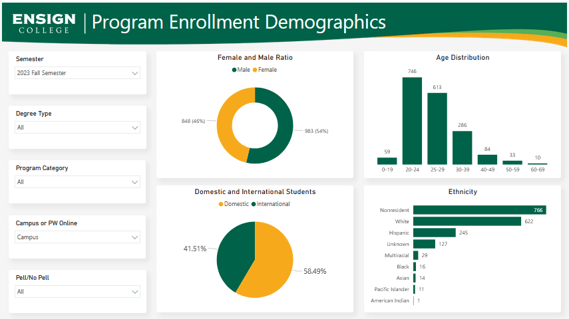
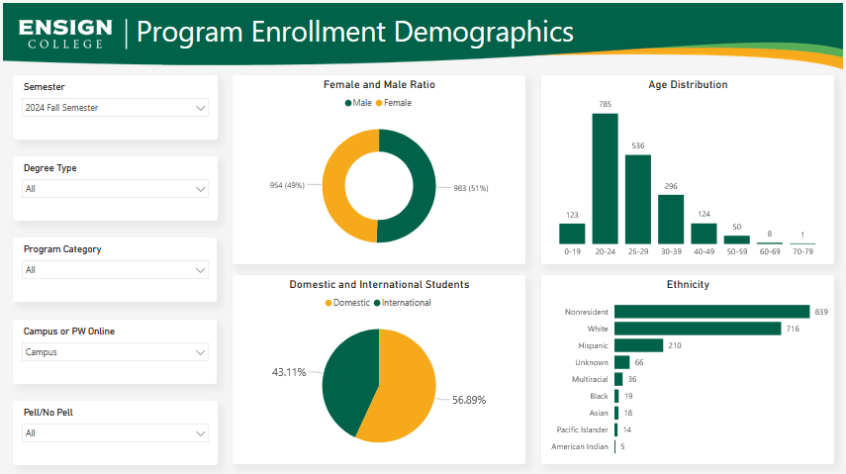
Year | Enrollment | https://www.ensign.edu/institutional-research
2014 | 2,006
2015 | 2,153
2016 | 2,119
2017 | 2,045
2018 | 1,996
2019 | 1,929

2021 | 1,731
2022 | 1,618
2023 | 1,831
2024 | 1,937

